Case #1
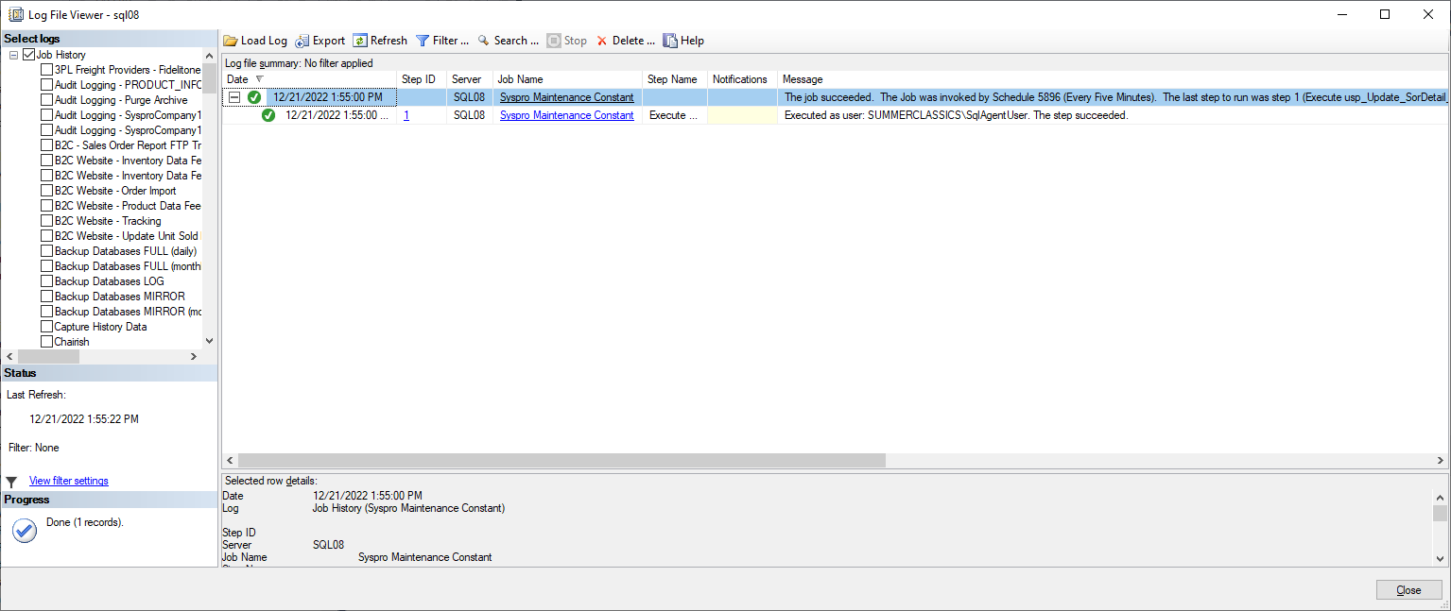
Justin Pope Dev Test
Test Case No. | 1
Process | Set up new job
Test Consideration | Set up job to run script
Test Condition |  | Data Used | How To Verify | Actual Results
Tasks
1 | Job 'Syspro Maintenance Constant | Dev Data | query database | Screen shots below
Verification
Test Cast Screens Shots Before and After

